Simplified FP
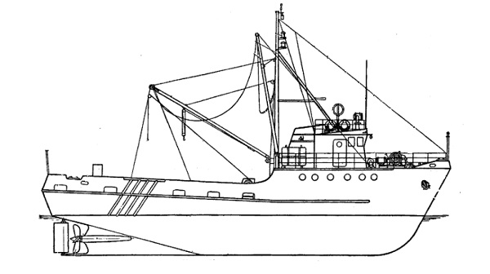
Simplified Freeing Port (FP) calculations
USCG/CG-ENG-2/TDJ

The purpose of freeing ports is to provide openings in bulwarks that will allow rapid drainage of
water entrapped on deck by bulwarks and deck structures.

This spreadsheet calculates the minimum required freeing port areas per 46 CFR 42.15-70, based
on certain conservative assumptions for small vessels:
 | 1) The general deck arrangement is a forward or aft deckhouse, and a single open work deck.
 | 2) Any side decks (between bulwark & deckhouse) are not more than 5 feet wide
 | 3) There is no significant deck sheer within the bulwark extent
 | 4) There are no raised hatchways or other deck obstacles that might impede cross flow.

To calculate the minimum freeing port area:
 | Below to the right of the arrows enter the current vessel dimensions, vessel length, bulwark length,
 | and bulwark height. Once all 3 have been entered the minimum freeing port area will be displayed below.
 |  | 150.00 ft | = Length of vessel
 |  | 80.00 ft | = Actual length of bulwark
 |  | 80.00 ft | = Effective length of bulwark (need not be more than 70% of vessel length)
 |  | 30.0 in | = Height of bulwark (constant or average)
 |  |  |  | If bulwark is not a constant height, the average height is calculated by
 |  |  |  | determining the total area of bulwark and dividing by bulwark length

 |  | 18.40 sq ft | = Prelim freeing port area (uncorrected)
 |  | 27.60 sq ft | = Correction for no deck sheer
 |  | -1.60 sq ft | = Correction for non-standard bulwark height (i.e., more than 46.8 inches or less than 36 inches)
 |  | 26.00 sq ft | = Minimum required freeing port area (each side)
 |  | 3744 sq in

Notes:
1) | Deck sheer facilitates drainage, so FP area is increased 50% on vessels w/o deck sheer.
2) | Standard bulwark height is between 3 ft and 3.9 ft (36 and 46.8 inches).
 | FP area is increased for higher bulwarks (because more water can be entrapped), and can be decreased for lower bulwarks.
3) | The freeing port area is to be distributed uniformly along the bulwarks.

