Fishing Vessels
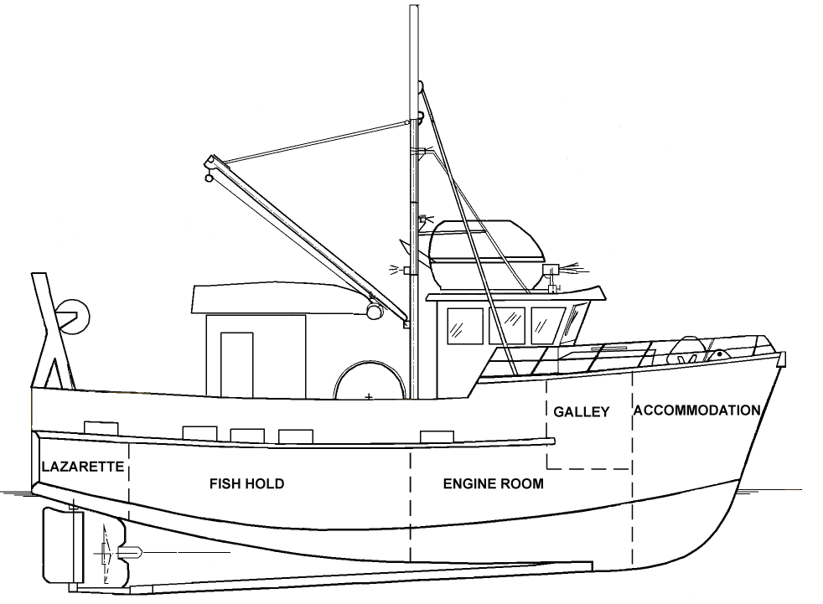
FREEING PORT CALCULATOR--46 CFR 28.555
USCG--MSU PORTLAND--M.RUDOLPH

This spreadsheet calculates the minimum required freeing port areas per 46 CFR 28.555
INPUT values in the YELLOW boxes

VESSEL NAME |  |  |  |  |  | DATE
INPUT
 | Overall Length of Vessel |  |  |  |  | Current FP Area sq ft (one side)
 | Actual Length of Bulwark (total)
0.00 ft | Effective Length of Bulwark (≯70% of Length)
 | Average Height of Bulwark (inches)*
 | *average height is calculated by determining the total area of bulwark and dividing by bulwark length
 | Does the deck have sheer (slopes up towards bow and stern)? (Y/N)
 | Does the vessel operate on protected waters? (Y/N)
OUPUT
7.60 sq ft | Preliminary FP Area (Uncorrected)
0.00 sq ft | Correction for No Deck Sheer (+50%)
0.00 sq ft | Correction for Protected Waters (-50%)
0.00 sq ft | Correction for non-standard bulwark height (>48 inches or <36 inches)
7.60 sq ft | FINAL Minimum required FP area (each side) è è è è è |  |  |  |  | FAIL
NOTES
Sheer: Measured as the rise of the deck towards the stem or stern.
Deck sheer facilitates drainage, so FP area is increased 50% on vessels w/o deck sheer.
Standard bulwark height is between 3 ft and 4 ft (36 and 48 inches).
FP area is increased for higher bulwarks (because more water can be entrapped), and can be decreased for lower bulwarks.
The FP area is to be distributed uniformly along the bulwarks.
MEASUREMENTS & CALCULATIONS
 | LENG (in) | HT (in) | SQ IN |  | LENG (ft) | HT (in) | AREA
FP1 |  |  | 0 | BULWARK 1 |  |  | 0
FP2 |  |  | 0 | BULWARK 2 |  |  | 0
FP3 |  |  | 0 | BULWARK 3 |  |  | 0
FP4 |  |  | 0 | BULWARK 4 |  |  | 0
FP5 |  |  | 0 |  | TOTAL AREA |  | 0
FP6 |  |  | 0 |  | Average Height |  | #DIV/0!
FP7 |  |  | 0 | To Find Average bulwark height (inches), add all "AREA" values
FP8 |  |  | 0 | from above and divide by the total bulwark length.
 | TOTAL (sq inches) |  | 0
 | TOTAL (sq feet) |  | 0
To CONVERT from Square Inches to feet divide by 144

§ 28.555 Freeing ports.
(a) Except as provided in paragraph (i) of this section, each decked vessel fitted with bulwarks must be fitted with freeing ports.
(b) Freeing ports must be located to allow the rapid clearing of water in all probable conditions of list and trim.
(c) Except as provided by paragraphs (d) through (h) of this section, the aggregate clear area of freeing ports on each side of the vessel must not be less than 0.71 plus 0.035 times the length of the bulwark, in meters, for area in square meters, or 7.6 plus 0.115 times the length of the bulwark, in feet, for the area in square feet. The length of bulwark need not exceed 0.7 times the overall length of the vessel.
(d) Except as provided in paragraphs (e) through (h) of this section, for bulwarks which exceed 20.11 meters (66 feet) in length, the aggregate clear area of freeing ports on each side of the vessel must not be less than 0.07 times the length of the bulwark, in meters, for an area in square meters (0.23 times the length of the bulwark in feet, for an area in square feet). The length of the bulwark need not exceed 0.7 times the overall length of the vessel.
(e) For a bulwark more than 4 feet (1.22 meters) in height, the freeing port area required by paragraphs (c) or (d) of this section must be increased in accordance with the following formula:
i = [h − 4]0.04q, (i = [h − 1.722].04q, for metric units), where:
i = increase in freeing port area, in square feet (square meters);
h = bulwark height, in feet (meters); and
q = length of bulwark exceeding 4 feet (1.22 meters) in height, in feet (meters).
(f) For a bulwark less than 3 feet (0.91 meters) in height, the required freeing port area, required by paragraph (c) or (d) of this section, may be decreased in accordance with the following formula:
r = [3 − h]0.04q, (r = [h − 0.91 − h]0.04q), where:
r = permitted reduction in freeing port area, in square feet (square meters).
h = bulwark height, in feet (meters).
q = length of bulwark which is less than 3 feet (0.914 meters) in height, in feet (meters).
(g) For a vessel without sheer, the freeing port area must be increased by 50 percent.
(h) The area of the freeing ports on a vessel that operates on protected waters need only be 50 percent of the area required by paragraphs (c) or (d) of this section.
(i) Freeing port covers are permitted provided that the freeing port area required by this section is not diminished and the covers are constructed and fitted so that water will readily flow outboard but not inboard.
[CGD 88-079, 56 FR 40393, Aug. 14, 1991, as amended by CGD 96-046, 61 FR 57276, Nov. 5, 1996]

